Bug Reporting
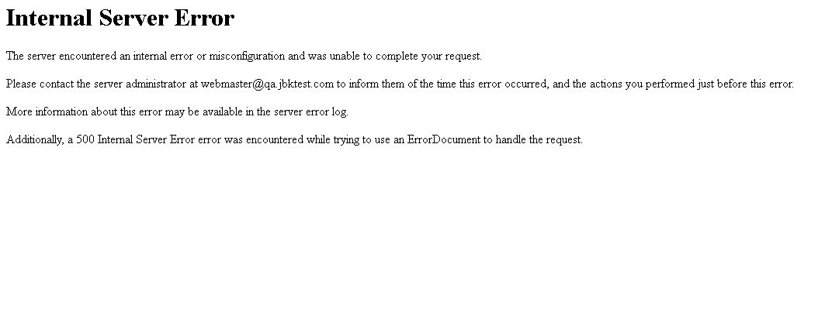
Bug Reporting

Bug ID :- | BG_01
Bug Name :- | User able to login with random ten digit combinations, Mobile number must be verified
Bug Discription :- | User able to login with random ten digit combinations Mobile number must be verified, Opt must send on entered mobile number for mobile number verification
Steps To Reproduce :- | 1- Click on test button present on "https://www.qa.jbktest.com/" 2- Click on any Quiz tab 3- Click on Take Quiz button 4- Select any number of questions (10,20,25) 5-Click on Next button 6-Enter any ten digit combination in mobile numer textbox 7-Click on Login button
Test Case ID :- | TC_LF_006
Status :- | New
Severity :- | Critical
Priority :- | High
Reproducibility :- | Always
Screenshot :-
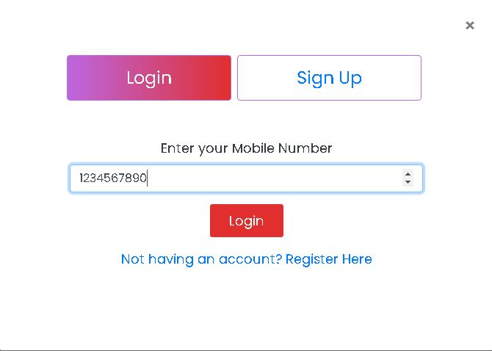

Bug ID :- | BG_02
Bug Name :- | User Unsuccessful update profile with empty name field
Bug Discription :- | User able to update profile with empty name field name field must be filled, error message should display
Steps To Reproduce :- | 1- Click on test button present on "https://www.qa.jbktest.com/" 2- Click on any Quiz tab 3- Click on Take Quiz button 4- Select any number of questions (10,20,25) 5-Click on Next button 6-Enter any ten digit combination in mobile numer textbox 7-Click on Login button 8- click on my account link 9- click on my profile 10-keep name field empty 11-enter email,mobile number in related fields 12-click on update button
Test Case ID :- | TC_DF_017
Status :- | New
Severity :- | Critical
Priority :- | High
Reproducibility :- | Always
Screenshot :-
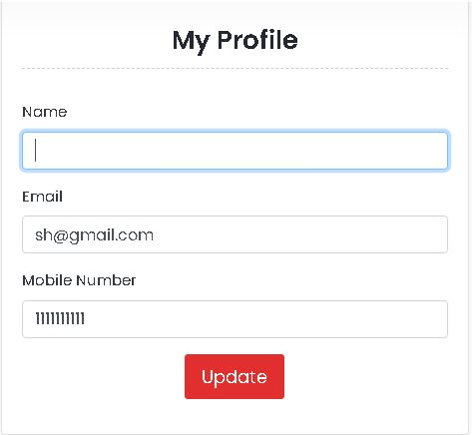

Bug ID :- | BG_03
Bug Name :- | User Unsuccessful Signup with invalid name field
Bug Discription :- | User able to Signup with invalid name field name field, error message should display (please enter valid name)
Steps To Reproduce :- | 1- Click on test button present on "https://www.qa.jbktest.com/" 2- Click on any Quiz tab 3- Click on Take Quiz button 4- Select any number of questions (10,20,25) 5-Click on "Next" button 6-Click on "Signup" button 7-Click on name text box enter invalid name (%%%%) 8- click on email textbox enter valid email 9- click on mobile number textbox enter valid mobile number 10-click on "terms and conditions" checkbox 11-Click on "proceed" button
Test Case ID :- | TC_SU_010
Status :- | New
Severity :- | medium
Priority :- | medium
Reproducibility :- | Always
Screenshot :-
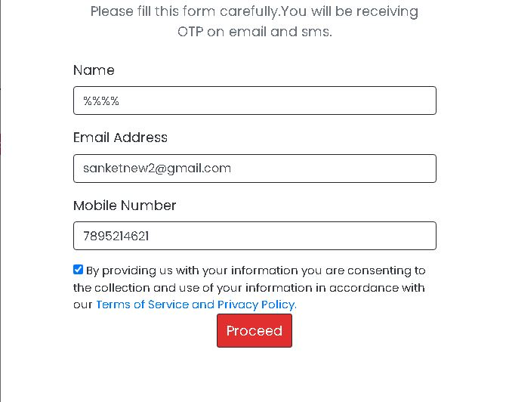

Bug ID :- | BG_04
Bug Name :- | User name should be updated when user update profile and page must be refreshed
Bug Discription :- | User name should be updated when user update profile and page must be refreshed, but here user need to logout for profile updation and relogin to see changes in profile
Steps To Reproduce :- | 1- Click on test button present on "https://www.qa.jbktest.com/" 2- Click on any Quiz tab 3- Click on Take Quiz button 5-Click on "Next" button 6-Enter valid mobile number "user should exist" 7-Click on "Login" button 8- Click on "my account" tab present at top right corner of popup 9- Click on "Profile" tab 10-Click on "name" text box enter new name keep email and mobile number textbox as it is 11-Click on "update" button
Test Case ID :- | TC_DF_011
Status :- | New
Severity :- | major
Priority :- | medium
Reproducibility :- | Always
Screenshot :-
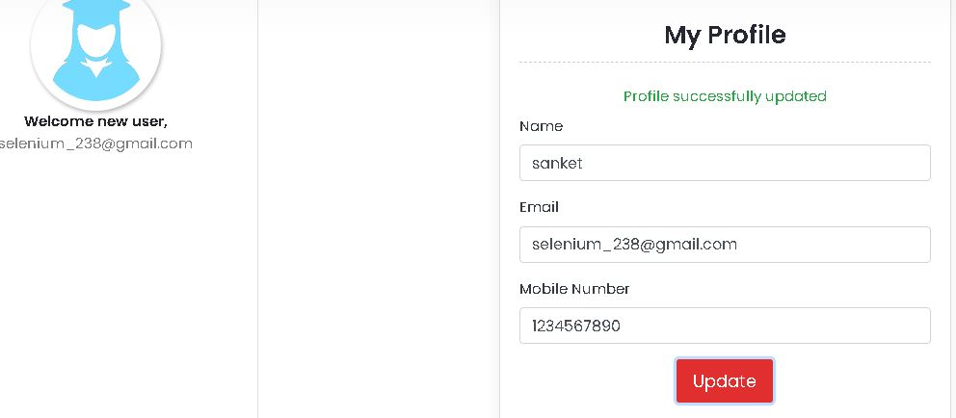

Bug ID :- | BG_05
Bug Name :- | Email should be updated when user update profile and page must be refreshed
Bug Discription :- | Email should be updated when user update profile and page must be refreshed, but here user need to logout for profile updation and relogin to see changes in profile
Steps To Reproduce :- | 1- Click on test button present on "https://www.qa.jbktest.com/" 2- Click on any Quiz tab 3- Click on Take Quiz button 5-Click on "Next" button 6-Enter valid mobile number "user should exist" 7-Click on "Login" button 8- Click on "my account" tab present at top right corner of popup 9- Click on "Profile" tab 10-Click on "email" text box enter new email keep name and mobile number textbox as it is 11-Click on "update" button
Test Case ID :- | TC_DF_012
Status :- | New
Severity :- | major
Priority :- | medium
Reproducibility :- | Always
Screenshot :-

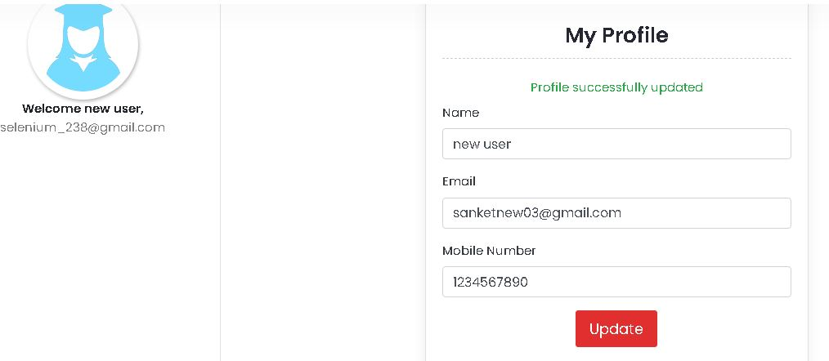

Bug ID :- | BG_06
Bug Name :- | mobile number should be updated when user update profile and page must be refreshed
Bug Discription :- | mobile number should be updated when user update profile and page must be refreshed, but here user need to logout for profile updation and relogin to see changes in profile
Steps To Reproduce :- | 1- Click on test button present on "https://www.qa.jbktest.com/" 2- Click on any Quiz tab 3- Click on Take Quiz button 5-Click on "Next" button 6-Enter valid mobile number "user should exist" 7-Click on "Login" button 8- Click on "my account" tab present at top right corner of popup 9- Click on "Profile" tab 10-Click on "mobile number" text box enter new mobile number keep name and email textbox as it is 11-Click on "update" button
Test Case ID :- | TC_DF_013
Status :- | New
Severity :- | major
Priority :- | medium
Reproducibility :- | Always
Screenshot :-
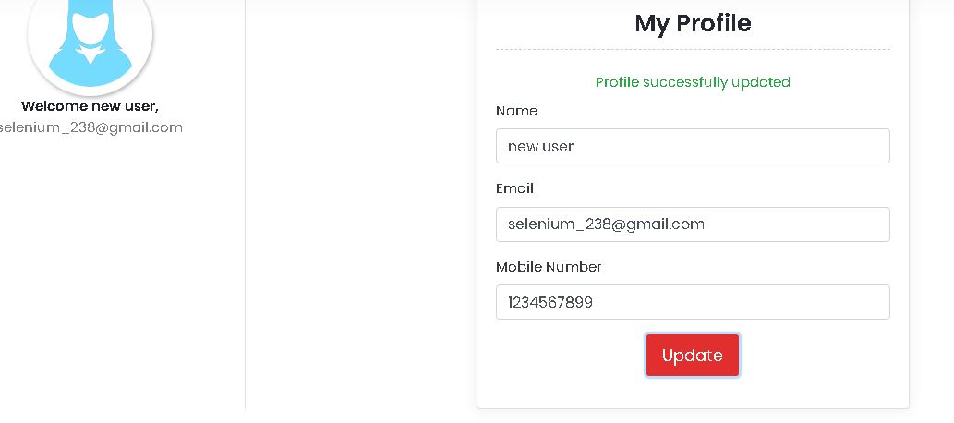

Bug ID :- | BG_07
Bug Name :- | user should not able to update profile with empty "name" textbox
Bug Discription :- | user should not able to update profile with empty "name" textbox, but here user able to update profile with empty name field
Steps To Reproduce :- | 1- Click on test button present on "https://www.qa.jbktest.com/" 2- Click on any Quiz tab 3- Click on Take Quiz button 5-Click on "Next" button 6-Enter valid mobile number "user should exist" 7-Click on "Login" button 8- Click on "my account" tab present at top right corner of popup 9- Click on "Profile" tab 10-Click on "name" text box clear name text box 11-Click on "update" button
Test Case ID :- | TC_DF_013
Status :- | New
Severity :- | major
Priority :- | high
Reproducibility :- | Always
Screenshot :-

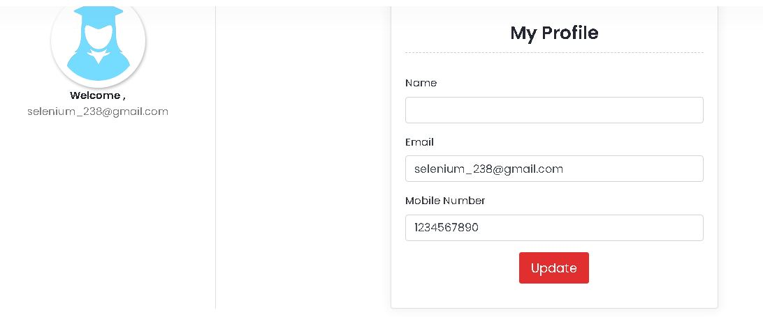

Bug ID :- | BG_08
Bug Name :- | To verify admin dashboard login "forgot password functionality"
Bug Discription :- | To verify admin dashboard login "forgot password functionality",forgot password help page is not appearing "server Error 500"
Steps To Reproduce :- | 1- Click on Forgot password Url present on "https://www.qa.jbktest.com/admin"
Test Case ID :- | TC_AD_006
Status :- | New
Severity :- | medium
Priority :- | medium
Reproducibility :- | Always
Screenshot :-

